TEMPLATE
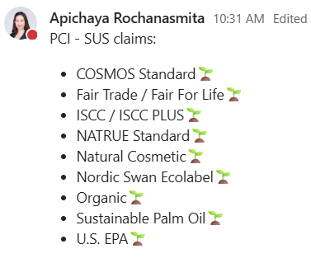
FIELD | ORI REQUIREMENTS | SOURCE | WEB SEARCH ORI | UPDATE 2025-07-23
FILE_NAME |  | file_dict
COUNTRY | INPUT STEP1 | input_dict |  | REMOVE ISO2, ONLY TAKE COUNTRY NAME
BUSINESS LINE | INPUT STEP1 | input_dict
INDUSTRY CLUSTER | CAPTURE FROM PDF FROM LIST | GPT
SUPPLIER | CAPTURE FROM PDF | GPT
COMPOSITION | (MULTI) PCI AUTO CAPTURE, OTHER BL MANUAL INPUT, delimited by "," | GPT | Y | ALL OTHER BL WEB SEARCH THEN COMPOSITION
APPLICATION | (MULTI) AUTO CAPTURE ALL BL | GPT | Y
FUNCTION | (MULTI) AUTO CAPTURE ALL BL | GPT | Y
TRADE NAME | (SINGLE) AUTO CAPTURE FROM PDF - PRODUCT NAME | GPT
CAS Nº | (SINGLE) AUTO CAPTURE FROM PDF - IF DON’T HAVE PUT "N/A" | GPT
PHYSICAL FORM | (SINGLE) AUTO CAPTURE ALL BL | GPT |  | FIND ONLY IN TDS, IF NOT AVALIABLE PUT N/A
DESCRIPTION | CREATE PRODUCT DESCRIPTION | TO ADD
RECOMMENDED DOSAGE | (SINGLE) AUTO CAPTURE ALL BL | GPT
REGULATORY REQUIREMENTS | MANUAL INPUT ALL BL | MANUAL |  | OPTIONAL
CERTIFICATIONS | (MULTI) AUTO CAPTURE ALL BL | GPT
DOCUMENTATION | HARD CODE FROM FILE NAME | file_dict
DKSH COMPANY CODE | INPUT STEP1 | input_dict
CLAIM | (MULTI) AUTO CAPTURE ALL BL | GPT
PDP VDO | MANUAL INPUT ALL BL | MANUAL |  | OPTIONAL
Light Version | MANUAL INPUT ALL BL | MANUAL |  | OPTIONAL
Recommended Health Benefits | FBI: LOOK AT [FUNCTION] FIRST, IF HIT HIGHLIGHT, THE MULTI CAPTURE FROM PDF IF NOT HIT HIGHLIGHT, HARDCODE "" OTHER BL: HARDCODE "" | GPT
Sustainable Doc | FBI, SCI, PHI if [CLAIM] is not blank, Must have [Sustainable Doc] PCI - If any of the [CLAIM] is in the list below, must have [Sustainable Doc] | MANUAL

FIG1
PDF
Document


Search Result
COMPOSITION
 | PRODUCT
Search Result | DESCRIPTION
FUNCTION
Create 120 to 150 words product description from the given data
Search Result
APPLICATION

FIG2
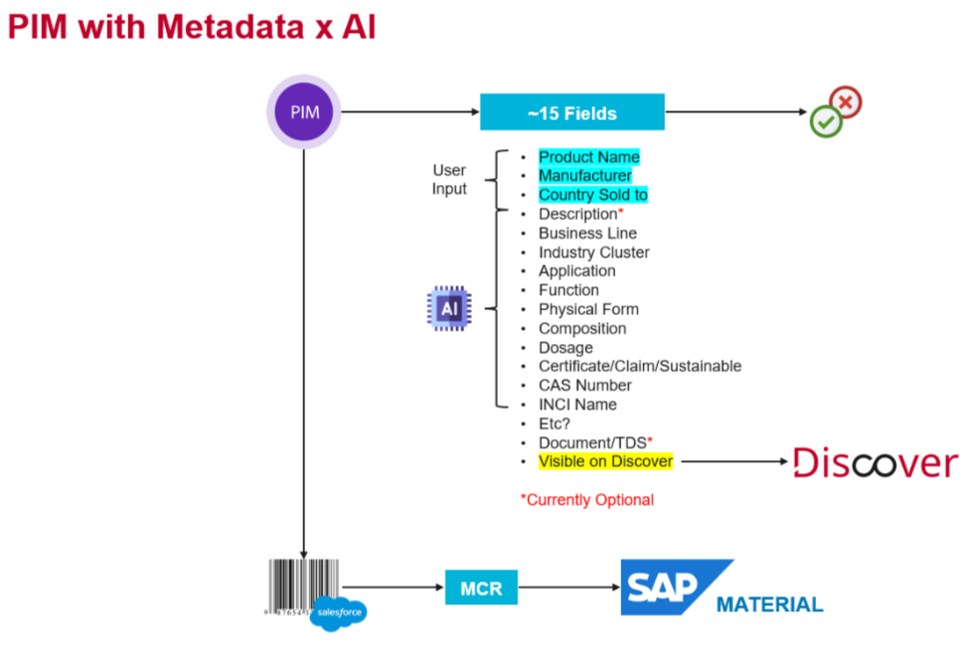
SALES FORCE | GATE'S API
requestBody = { 'productName':'Sugar Candy',
'manufacturer':'Willy Wonka',
'businessLine':'FBI',
'documentation':
[*MultipleFiles(PDF)only],
'APIKey':'xxx',
'webSearch':True/False
}


Call API

Return JSON
WebSearch = True

responseBody = {
'inputProductName':'xxx',
'inputBusinessLine':'xxx' 'industryCluster':'xxx',
'description':'xxx',
'application':['a','b','c'],
'function':['a','b','c'],
'physicalForm':'xxx',
'composition':['a','b','c'],
'dosage':'xxx',
'certificate':['a','b','c'],
'claim':['a','b','c'],
'CASNumber':'xxx',
'INCIName':'xxx',
'probabilityAccuracy':0.59,
....
}

Search Application
Search Function
Search Composition

